Checklist
 | ESG Program Year 2024-25 Application Information
 | Checklist
 | Agency Name as it appears on SAMS | The application has cells that are protected. Follow the printscreen below to unprotect the tabs as needed.
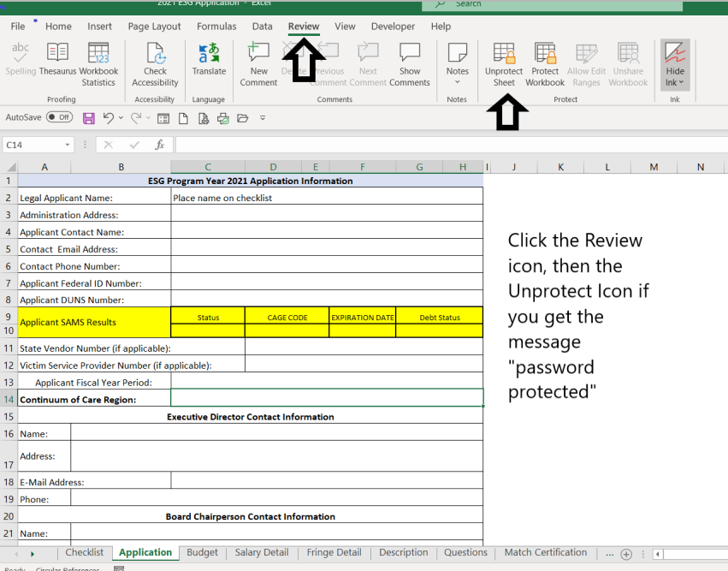
 | Checklist
 | Application Information
 | Budget
 | Salary detail
 | Fringe detail
 | Descriptions
 | Questions
 | Match certification
 | Single Audit Certification
 | Most recent financial statement, single audit report ,or audit as applicable
 | All complete written policies and procedures (i.e. fiscal, program, Human Resources, etc.) Please note that if your agency is the COC seat, please send the COC policies as well.
 | Organizational Chart
 | Board of Directors roster
 | Federally negotiated indirect cost rate agreement, if applicable
 | If requesting to charge the de minimis rate, provide your entities calculation of Modified Total Direct Cost.
 | Letter of commitment from the Board of Directors
 | COC endorsement (must be provided directly from COC to OEO)
 | Combined Certifications/ Unit of general purpose local government.
 | IRS Federal 501(c)(3) tax exempt letter
 | Nonprofit registration letter from the South Carolina secretary of state
 | DHEC inspections, as applicable
 | Fire inspections, as applicable

List Additional Support Documentation Provided:

